YCF50A
BIKE CODE FOR ORDERS: 22-50A-STD |  | 2022-03-01 | BIKE DESCRIPTION NAME : YCF 50A 2022

50A = YCF50A
50E = YCF50E
W88E = START W88E
L88 = LITE88 L125 = LITE125
S88S = START F88S
S125S = START F125S
S125SE = START F125SE
S125 = STARTF125
P88 = PILOT 88
P125 = PILOT 125
P150 = PILOT 150
SM125 = START SM125S
SM150 = PILOT SM 150
SP1 = FACTORY SP1
SP2 = FACTORY SP2
SP3 = FACTORY SP3
B125 = BIGY 125MX
B150 = BIGY 150MX
BF150 = BIGY F150MX
BFD190 = BIGY FD190 MX
BFZ190 = BIGY ZE190 MX
S147 = SUNDAY 150
S187 = SUNDAY 190
Handle bar assembly
 |  | 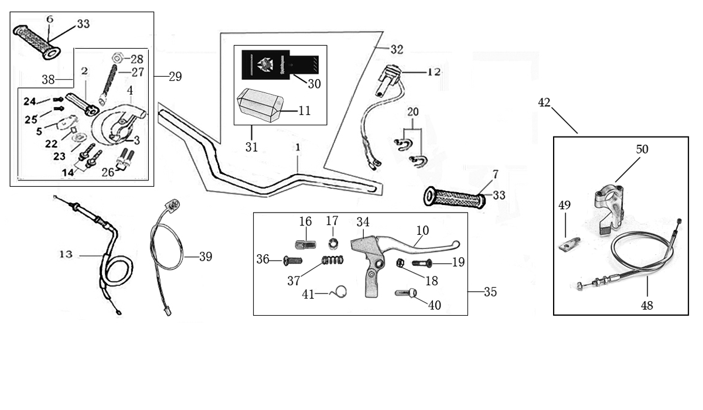
N° | Ref. | Description | Français | Picture | Qty/Bike | Model
1 | YC110-0132-06 | Handle Bar chromoly (with bar pad and pvc) YCF50 | Guidon chromoly complet avec mousse et pvc YCF50 |  | 1 | 50A22/50E22
2 | YC50-0129 | Complete Bar Pad for Handlebar without Bar L=126mm YCF50BLACK/WHITE | Mousse guidon complete pour guidon Aluminium sans Barre YCF50 L=126mm NOIR |  | 1 | 50A1822/50E1822
3 | YC110-0153-01 | Handle bar plastic cap | Embout plastique de guidon |  | 1 | ALL BIKES 2022
4 | YC110-0138-04 | YCF complete Throttle Assy. 2020 with YCF grip + Screw 2020 | Poignee gaz reglable complete YCF 2020 avec Paire de poignée caoutchouc YCF GRISE 2020 + vis reglage |  | 1 | 50A22/S88se20/L8822/L12520/S12520/S125se20/P12520/P15020/SM125s20/B12520/B15022
5 | YC110-01022-06 | Complete SCREW FOR THROTTLE ADJUSTMENT, SIZE M5X50 | VIS M5X50 POUR RÉGLAGE DE LA POIGNÉE DE GAZ complete |  | 1 | 50A22/S88se20/L8822/L12520/S12520/S125se20/P12520/P15020/SM12520/B12520/B15022
6 | PPC011-GY | YCF set of grip GREY 2020 | Paire de poignée caoutchouc YCF GRISE 2020 |  | 1 | ALL BIKES 22
7 | YC110-0105-15 | Kill Switch ON/OFF L=580mm | Coupe circuit on off L=580mm |  | 1 | ALL BIKES 1222
8 | YC110-0106-14 | Throttle Cable L=580mm A+B=130mm 2020 | Cable gaz L=580mm A+B=130mm 2020 |  | 1 | 50A22
9 | YC110-0143-01 | RUBBER ON THROTTLE CABLE | Protection caoutchouc cable de gas |  | 1 | ALL BIKES 1722
10 | YC110-0139-02 | Start switch Waterproof L=500mm | Bouton demareur ETANCHE L=500mm |  | 1 | 50A22/S88SE1720/S125SE1720/BFZ2201822
11 | YC50-0142-01 | choke lever L=440mm A+B=50mm | Starter au Guidon Complet L=440mm A+B=50mm |  | 1 | 50A1622
12 | YC50-0148-01 | Air door wire L=440mm A+B=50mm | Cable pour Starter au Guidon L=440mm A+B=50mm |  | 1 | 50A1622
13 | GB70-M5X16 | HeX. Bolt M5X16 | Vis M5X16 |  | 1 | 50A22/50E22
14 | GB70-M5X20 | HeX. Bolt M5X20 | Vis M5X20 |  | 1 | SP11317/SP22322/SP31322/BIGY1722
15 | GB6170-M5-W | Nut M5 for starter | Ecrou M5 pour Starter au Guidon |  | 1 | 50A1622
16 | YC110-01-03-BK | Cable tie L=150mm BLACK | collier maintien cable 150mm NOIR |  | 2 | ALL BIKES 1222

Steering stem assembly

N° | Ref. | Description | Français | Picture | Qty/Bike | Model
1 | YC50-0227-03-GY | Complete Triple Clamp YCF50 135mm 2022GREY | Te Fourche Complet YCF50 135mm 2022 GRIS |  | 1 | 50A2022/50E2022
2 | YC50-0200-02 | Steering stem L=225mm | tige colonne direction L=225mm |  | 1 | 50A2022/50E2022
3 | YC50-0202-06-GY | Lower triple clamp YCF50 L=135mm d.35mm H=18mm 2020 GREY | té fourche inferieur YCF50 d.35mm H=18mm L=135mm GRIS 2020 |  | 1 | 50A2022/50E2022
4 | YC50-0201-06-GY | Top Triple Clamp YCF50 L=135mm d.35 H=15mm 2022 GREY | té fourche supérieur YCF50 L=135mm d.35 H=15mm 2022 GRIS |  | 1 | 50A2022/50E2022
5 | YC50-0228-01 | YCF50 Set of Bar mount not adjustable d.22.2mm/bottom H=51.5mm(with BT08-M8x25-W 4EA GB70-M10x25x1.5W 2EA) 2020 | Jeu pontet guidon YCF50 non ajustable d.22.2mm / pontet bas H=51.5mm (avec BT08-M8x25-W 4EA GB70-M10x25x1.5W 2EA)2020 |  | 1 | 50A2022/50E2022
6 | YC50-0203-03 | YCF50 Lower Bar Mount CNC 2020 H=36mm d.22.2mmBLACK | Pontet guidon inférieur YCF50 2020 H=36mm d.22.2mm NOIR |  | 2 | 50A2022/50E2022
7 | YC110-0201-02 | 2020 Top Bar Mout CNC d22.2 mm/height H=18mm START Type BLACK | pontet guidon supérieur 2020 d22.2mm H=18mm Type START NOIR |  | 2 | 50A22/50E22/W88E22/L8822/L12522/S88SE22/S12522/S125SE22/P12522/P15022/SM12522/SM15022/SP2/B12522/B15022/BFZ22022
8 | BT08-M6x25-W | Hex.Bolt M6x25mm CLAMP(sides top and bottom) | vis M6x25mm TE (cotes superieur et inferieur) |  | 4 | ALL BIKES2022
9 | BT08-M8x25-W | Hex.Bolt M8x25mm BAR MOUNT | vis M8x25mm PONTET |  | 4 | ALL BIKES2022
10 | GB70-M10x25x1.5W | Hex. Bolt M10x25mm (step 1.5)for 2020 bar mounts | Vis centrale M10x25mm (pas 1.5) pour pontets 2020 |  | 2 | 50A1422/50E1622
11 | YC50-0222-03-WH | YCF50 Front Number Plate complete WHITE 2020 | Plaque avant YCF50 complete BLANCHE 2020 |  | 1 | 50A2022/50E2022
12 | FB13-7x10x22-W | Front Number plate spacer (Top) d7mmxd10mmx22mm | entretoise Plaque numero avant (Haut) d7mmxd10mmx22mm |  | 1 | 50A1222/50E1622
13 | BT08-M6x30-W | Hex.Bolt M6x30mm for front No plate | vis M6x30mm pour plaque No avant |  | 1 | ALL BIKES 2022
14 | GB97-d6-W | flat washer d6mm | rondelle d6mm |  | 1 | ALL BIKES 2012-2022
15 | KRDIRECTION46 | set of bearing for steering 46/23.5、46/22 | Kit rlt colonne direction 46/23.5、46/22 |  | 1 | 50A22/50E22/W88E22/S88SE20/L8822/L12522/125S1522/S125SE1522/P1251322/P1501322/SM1251322/SM1501322/SP11122/SP22022/SP31222/B1251722/B1501720/BF1501720/BFD2201720/BFZ2201720/S1471820/S1871820
16 | YC110-02-09 | Top nut for steering d.54.5mm | écrou crantellé colonne direction d.54.5mm |  | 1 | ALL BIKES 1222
17 | YC110-02-10 | Washer for steering stem nut d.22.5mmxd.37mmx0.7mm | joint colonne direction d.22.5mmxd.37mmx0.7mm |  | 2 | ALL BIKES 1222
18 | YC110-02-11 | Nut for steering stem M22 | écrou supérieur colnne direction M22 |  | 1 | ALL BIKES 1222
19 | YC110-0224-01-WH | Complete Break Line Retainer White（with GB9074.5-M4x10-W 1EA ） | guide durite sur plaque avant complet Blanc |  | 1 | 50A22/50E22/W88E22/S88SE22/L8822/L1251622/S125SE1522/P1251422/P1501422/SM1251422/SM1501422/SP11422/SP22422/SP31422/B1251722/B1501722/BF1501722/BFD2201720/BFZ2201720
20 | GB97-d4-W | flat washer d.4mm for Break Line Retainer front No plate | rondelle d.4mm pour guide durite plaque No avant |  | 1 | ALL BIKES 1222
21 | GB818-M4x10-W | Plus screw M4x10mm for Break Line Retainer front No plate | vis M4x10mm pour guide durite plaque No avant |  | 1 | ALL BIKES 1222
22 | YC110-0223-10 | Front plastic plate to hold cables 75mmx100mm | Plaque avant plastique maintien cables 75mmx100mm |  | 1 | ALL BIKES22
23 | YC110-0223-0401 | Number plate bracket long TOP 2020 | Support plaque avant 2020 |  | 1 | 50A22/50E22
24 | GBT5787-M6x16-3 | Hex. Bolt with flanged M6x16mm for No plate bracket (STEP 3mm) | vis M6x16mm pour Support plaque avant (STEP 3mm ) |  | 1 | ALL BIKES 1622
25 | YC110-01-08-BK | Cable tie ADJUSTABLE BLACK | Collier maintien cable AJUSTABLE NOIR |  | 2 | ALL BIKES22
26 | YC110-02-20 | Washer for steering stem nut d22mm (top)/d24mm (bottom)-d47mm | Joint pour colonne direction d22mm (haut)/d24mm (bas) -d47mm |  | 1 | S1251422/S125S1422/S125SE1422/P1251422/P1501422/SM1251422/SM1501422/SP11422/SP22422/SP31422/B1251722/B1501722/BF1501722/BFD2201722/BFZ2201822/S1471820/S1871820/S88SE20

Front Fender

N° | Ref. | Description | Français | Picture | Qty/Bike | Model
1 | YC50-031-01-WH | Front Fender YCF50 2020 WHITE | Gb avant YCF50 2020 BLANC |  | 1 | 50A22/50E22/L8822
2 | GBT5787-M6x16-6 | Hex. Bolt with flanged M6x16mm (spacer 6mm) for front mudguard (bottom) | vis M6x16mm (deport 6mm) pour garde boue avant (dessous) |  | 3 | 50A22/50E22/W88E1822/S88SE1822/L8822/L12522/S12522/S125SE1822/P1251822/P1501822/SM1251822/SM1501822/SP22822/SP31822/B1251822/B1501822/BF1501722/BFD22017820/BFZ2201822
3 | GBT5787-M6x16-3 | Hex. Bolt with flanged M6x16mm front mudguard (spacer 3mm) for front mudguard (top) | vis M6x16mm garde boue avant (deport 3mm ) pour garde boue avant (dessus) |  | 2 | 50A22/50E22/W88E1822/S88SE1822/L8822/L12522/S12522/S125SE1822/P1251822/P1501822/SM1251822/SM1501822/SP22822/SP31822/B1251822/B1501822/BF1501722/BFD22017820/BFZ2201822

Front & Rear absorber

N° | Ref. | Description | Français | Picture | Qty/Bike | Model
1 | YC50-0400-03 | YCF50 Pair of fork L=530mm d.35 (not adjustable) MAGNESIUM | Jeu de fourche YCF50 (non ajustable) L=530mm d.35 MAGNESIUM |  | 1 | 50A1422/50E1622
2 | YC50-0401-04 | Front right fork L=530mm (not adjustable) MAGNESIUM | tube fourche droit (non ajustable)L=530mm MAGNESIUM |  | 1 | 50A1322/50E1622
3 | YC50-0402-04 | Front left fork L=530mm (not adjustable) MAGNESIUM | tube fourche gauche (non ajustable) L=530mm MAGNESIUM |  | 1 | 50A1322/50E1622
4 | YC50-0404-03 | YCF50 Shock absorber L=200mm YELLOW | Amortisseur YCF50 L=200mm JAUNE |  | 1 | 50A1422/50E1622
5 | YC50-0410-02 | shock top spacer 50CC d10mmxd22mmx22.5mm | Silent Block haut amortisseur 50CC d10mmxd22mmx22.5mm |  | 1 | 50A1422/50E1622
6 | YC50-0411-03 | shock absorber bottom spacer 50CC d.10mmxd.20mmxd.26x11mm | Entretoise basse amortisseur YCF50 d.10mmxd.20mmxd.26mmx11mm |  | 2 | 50A1422/50E1622
7 | GB5787-M10x45 | Hex.bolt for shock absorber top and botom M10x45mm | Vis M10x45mm pour fixation amortisseur haut et bas |  | 2 | 50A1422/50E1622
8 | GB6187-M10-W | Self-locking Nut M10 for shock absorber fixation screw | Ecrou M10 pour vis fixation amortisseur |  | 2 | 50A1422/50E1622
...
N° | Ref. | Description | Français | Picture | Qty/Bike | Model
2 | YC110-0702-01 | YCF Tank cap plastic Ventilator d3mm | Bouchon reservoir plastique YCFd3mm |  | 1 | ALL BIKES 1120
3 | BT08-M8x30-W | Hex.Bolt M8x30mm for gas tank fixation (front/rear) | vis M8x30mm pour fixation reservoir (avant/arriere) |  | 2 | ALL BIKES 22
4 | GB97-d8-2W | Flat washer d8mmxd20mmx2mm for gas tank fixation (front/rear) | rondelle d8mmxd20mmx2mm pour fixation reservoir (avant/arriere) |  | 2 | ALL BIKES 22
5 | YC125-0704-BK | Fuel tank valve BLACK | Valve prise air NOIR |  | 1 | ALL BIKES
6 | YC110-0703 | Fuel cock assy. | robinet essence |  | 1 | ALL BIKES
7 | YC50-0717 | O-RING,d11x4mm For Fuel tank 50CC for fuel cock | Joint thorique robinet essence |  | 1 | 50A1322
8 | BT08-M6x16-W | Hex.Bolt M6x16mm | vis M6x16mm |  | 2 | ALL BIKES 22
9 | YC110-0706 | fuel tank rubber line spring d.4.5mmxd.8.5mmx220mm | durite reservoir avec ressort d.4.5mmxd.8.5mmx220mm |  | 1 | ALL BIKES

Air Filter / Carburetor
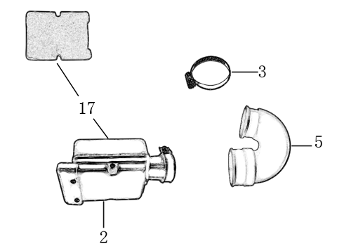
N° | Ref. | Description | Français | Picture | Qty/Bike | Model
1 | YC50-0801 | Complete air box d.35mm | Boite a air complete d.35mm |  | 1 | 50A22
2 | YC50-0803 | Holding ring d.22mm-d.44mm | collier FILTRE d.22mm-d.44mm |  | 1 | 50A22
3 | YC50-0805-01 | YCF50 rubber connexion for air box | manchon boite air YCF50 |  | 1 | 50A22
4 | YC50-0802 | YCF50 Air filter Foam | Mousse filtre a air YCF50 |  | 1 | 50A22
5 | YC110-0835-02 | YCF50 Air box fixed bracket | Plaque acier maintien boite air YCF50 |  | 1 | 50A1822
1 | YC50-20-31 | Carburetor 50A with main jet 50 | Carburateur 50A GICLEUR 50 |  | 1 | 50A1322
2 | GICLEUR50-02 | main jet 50 | GICLEUR 50 |  | 1 | 50A1322
3 | YC110-01-03-WH | Cable tie L=150mm WHITE | collier maintien cable 150mm BLANC |  | 2 | ALL BIKES 1222
4 | BT08-M6x16-W | Hex.Bolt M6x16mm for carburetor fixation on inlet pipe | vis M6x16mm pour fixation carburateur sur pipe admission |  | 1 | ALL BIKES 22
5 | BT08-M6x20-W | Hex.Bolt M6x20mm for carburetor fixation on inlet pipe | vis M6x20mm pour fixation carburateur sur pipe admission |  | 1 | ALL BIKES 22

Foot Peg assy
 |  | 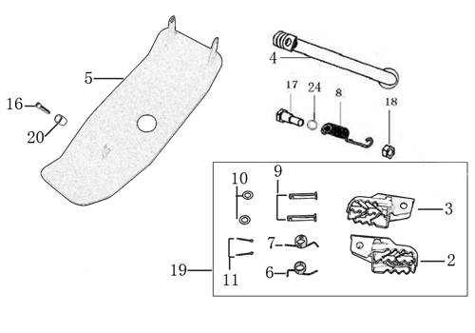
N° | Ref. | Description | Français | Picture | Qty/Bike | Model
1 | YC110-0902/1314 | Steel foot pegs set START / PILOT 2022 GREY | Jeu repose pied Acier START / PILOT 2022 GRIS |  | 1 | 50A22/50E22
2 | YC110-09-01 | Spring for right steel foot peg d.1.5mmxd.16.5mmx10mm | ressort repose pied droit acier d.1.5mmxd.16.5mmx10mm |  | 1 | 50A1222/50E1622/W88E1822/S88SE1522/L881722/L1251622/S12522/S125S1522/S125SE1522/P1251322/P1501222/SM1251222/SM1501222/B1251722/B1501722
3 | YC110-09-02 | Spring for left steel foot peg d1.5mmxd16.5mmx10mm | ressort repose pied gauche acier d1.5mmxd16.5mmx10mm |  | 1 | 50A1222/50E1622/W88E1822/S88SE1522/L881722/L1251622/S12520/S125S1522/S125SE1522/P1251322/P1501222/SM1251222/SM1501222/B1251722/B1501722
4 | GB882-d8x40-W | shaft pin for steel footpegs d.8mmx40mm | axe repose pied acier d.8mmx40mm |  | 2 | 50A1322/50E1622/W88E1822/S88SE1522/S88S1316/L881722/L1251622/S125S1322/S125SE1522/S12522/SM1251322
5 | GB97-d8-W | flat washer for shaft pin for steel footpegs d.8mmxd.16mmx1mm | rondelle pour axe repose pied acier d.8mmxd.16mmx1mm |  | 2 | ALL BIKES 1122
6 | GB91-d2x25-W | Cotter pin for shaft pin for steel footpegs d.2.0mmx25mm | goupille pour axe repose pied acier d.2.0mmx25mm |  | 2 | ALL BIKES 1322
7 | YC50-220 | Kick stand L=220mm 2020 | Bequille L=220mm 2020 |  | 1 | 50A22/50E22
8 | FB02-M10x1.5x30I | Stepped screw M10x35mm for kick stand | vis bequille M10x35mm |  | 1 | 50A1422/50E1622/W88E1822/S88SE1522/L881722/L1251622/S12522/S125S1422/S125SE1522/P1251422/P1501422/SM1251422/SM1501422/B1251722/B1501722/BF1501722/BFD2201720/BFZ2201822/S1472220/S1871820
9 | GB6172-M10-G | Hex. Nut M10 (step 1.5) | ecrou bequille M10 (pasl1.5) |  | 1 | ALL BIKES201422(BUTSP1/SP2/SP3)
10 | GB93-d10-W | Standard spring washer for kick stand d.10mm | rondelle pour bequille d.10mm |  | 1 | 50A1422/50E1622/W88E1822/S88SE1522/L881722/L1251622/S12522/S125S1422/S125SE1522/P1251422/P1501422/SM1251422/SM1501422/B1251722/B1501722/BF1501722/BFD2201720/BFZ2201822/S1472220/S1871820
11 | YC110-22-01 | spring for kick stand d.2.5mmxd.15mmx105mm | ressort bequille d.2.5mmxd.15mmx105mm |  | 1 | 50A1422/50E1622/W88E1822/S88SE1522/L881722/L1251622/S125S1422/S12522/S25SE1522/P1251422/P1501422/SM1251422/SM1501422/B1251722/B1501722/BF1501722/BFD2201720/BFZ2201822/S1472220/S1871820
12 | YC50-204-01 | YCF50 Engine skid plate steel T=2mm MATTE BLACK | sabot acier YCF50 T=2mm NOIR MAT |  | 1 | 50A1322
13 | FB13-9x10x10-W | bushing skid plate d.8.5mmxd.10mmx10mm | entretoise sabot acier d.8.5mmxd.10mmx10mm |  | 1 | 50A1322
14 | BT08-M8x20-W | Hex.Bolt M8x20mm for skid plate sides fixation | vis M8x20mm pour fixation cotes sabot moteur |  | 1 | 50A22

Swing Arm assy
 |  | 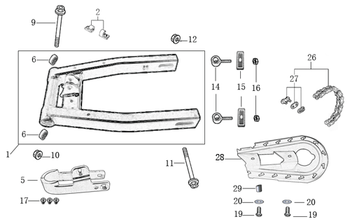
N° | Ref. | Description | Français | Picture | Qty/Bike | Model
1 | YC50-10014-01 | YCF50 Mono swing arm BLACK L=300mm d.12mm | Bras oscillant mono YCF50 NOIR L=300mm d.12mm |  | 1 | 50A22/50E22
2 | YC110-10-015-BK | Rear brake hose guide 2020 | Passe durite de frein arriere sur bras oscillant 2020 |  | 1 | ALL BIKES 22
3 | DIN7985-M6x16 | Screw M6x16mm for Rear brake hose guide and chain slider | Vis M6x16mm pour Passe durite de bras oscillant ET patin chaine court |  | 2 | ALL BIKES 22
4 | YC50-10-01 | YCF Chain slider 50cc | patin chaine YCF 50cc |  | 1 | 50A1222/50E1622
5 | GB822-M6x16-W | Screw M6x16mm for chain slider | Vis M8x16mm pour patin de chaine |  | 3 | ALL BIKES 1522
6 | 6001/28-12-08 | Swing arm ball bearing 6001 d.12mmxd.28mmx8mm | roulement bras oscillant 6001 d.12mmxd.28mmx8mm |  | 2 | 50A1222/50E1622/W88E1822/L881722/L1251622/S12522/S125SE1522/S88SE1522/SM1251022
7 | YC110-10-034 | Swing arm shaft with self lock nut M12 L=222mm | axe bras oscillant d.10 avec ecrou M12 L=222mm |  | 1 | 50A1822/50E1822/W88E22/F88s1322/F88se1522/F125L1622/F1251322/F125s1322/F125se1522/SM125s1322
8 | YC50-11-02 | YCF50 Rear wheel axle M12x225mm with Self locking nut M12 | axe roue arriere YCF50 L=225mm avec ecrou d.12mm |  | 1 | 50A1322/50E1622
9 | YC50-1001-001 | YCF50 Block axle | Tendeur chaine YCF50 |  | 2 | 50A1322/50E1622
...
N° | Ref. | Description | Français | Picture | Qty/Bike | Model
4 | YC50-0503-06 | Front Brake lever YCF50A / 50E（left side）2020 | Levier frein avant pour YCF50A / 50E (côté gauche) 2020 |  | 1 | 50A22/50E22
5 | YC50-1203-04 | YCF50 Rear brake steel line L=1070mm d.8mm/d.8mm 50A/50E 2020 | Durite frein arriere L=1070mm 50A/50E d.8mm/d.8mm 2020 |  | 1 | 50A22/50E22
6 | YC50-0506-02 | YCF50 Front / Rear Brake pads 2020 | Jeu plaquette avant / arriere YCF50 2020 |  | 2 | 50A22/50E22
7 | GB70-M5x16 | Hex. Bolt M5x16mm | Vis M5x16mm |  | 2 | 50A22/50E22
8 | GB8752-M6x28-G | Hex head screw M6x28mm with step d.8mmx14mm | Vis M6x28 M6x28mm avec epaulement d.8mmx14mm |  | 1 | 50A22/50E22
9 | GB6189-M6-W | Cltch Self-lock Nut M6 | Ecrou M6 |  | 1 | 50A22/50E22
10 | YC50-120101-03 | Rear brake bracket YCF50A/50E (left side) 2020 | Patte fixation étrier frein arriere YCF50A/50E (côté gauche)2020 |  | 1 | 50A22/50E22
11 | YC50-0555-01 | Screw for front brake pads L=28mm Army | Vis plaquette frein avant L=28mm |  | 2 | 50A22/50E22

Exhaust system
 |  | 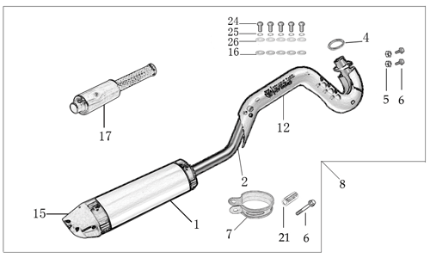 |  | 27
N° | Ref. | Description | Français | Picture | Qty/Bike | Model
1 | YC50-132-03-GY | YCF50 Muffler& Exhaust pipe assy 2020 GREY | Echapement complet YCF50 2020 GRIS |  | 1 | 50A1522
2 | YC50-13016-GY | YCF50 Muffler L=240mm GREY | Silencieux YCF50 GRIS L=240mm |  | 1 | 50A1522
3 | YC50-13-33 | YCF50 Muffler end cap YCF | Embout silencieux YCF50 |  | 1 | 50A1222
4 | GB70-M4x16 | Hex. Bolt M4x16mm for muffler end cap | vis M4x16mm pour embout silencieux |  | 4 | 50A1222
5 | GB93-d4-W | Standard spring washer d.4mm for muffler end cap | rondelle d.4mm pour embout silencieux |  | 4 | 50A1222
6 | YC50-13-30 | YCF50 Noise reducer (spark arrestor) | Bride de pot YCF50 |  | 1 | 50A1222
7 | YC50-13010-03 | Exhaust pipe d.22mm 2020 | collecteur d.22mm 2020 |  | 1 | 50A22
8 | YC50-1304 | Exhaust pipe washer d15mmxd22mmx4mm | joint potd15mmxd22mmx4mm |  | 2 | 50A1222
9 | GB70-M6x20 | Hex. Bolt M6x20mm | vis M6x20mm |  | 2 | 50A22
...
N° | Ref. | Description | Français | Picture | Qty/Bike | Model
10 | YC110-03-01 | Rubber washer for shroud frontd.6mmxd.18mmx4mm | caoutchouc pour ouies a l'avant d.6mmxd.18mmx4mm |  | 4 | ALL BIKES 1522
11 | GB96-d6 | flat washer for shroud front d.6mmxd.18mm | rondelle pour ouies a l'avant d.6mmxd.18mm |  | 4 | ALL BIKES 1522
12 | GB6177-M6-W | Hex. Flanged nut M6 for shroud front | écrou M6 pour ouies a l'avant |  | 2 | ALL BIKES 1522
13 | FB5787-M5x12-W | hex. Bolt with flanged M5x12mm for shroud fixation on gas tank sides | vis M5x12mm pour fixation ouis sur reservoir cotes |  | 2 | ALL BIKES 1222
14 | YC110-02-13 | Rubber washer d.6mmxd.14mmx3mm for shroud fixation on gas tank sides | joint caoutchouc d.6mmxd.14mmx3mm pour fixation ouies sur reservoir cotes |  | 2 | ALL BIKES 1222
15 | GB96-d5-W | flat washer d.5mmxd.15mm for shroud fixation on gas tank sides | rondelle d.5mmxd.15mm pour fixation ouies sur reservoir cotes |  | 2 | ALL BIKES 1522
16 | GB5787-M6x20-B | hex. Bolt with flanged M6x20mm BLACK for seat fixation on subframe | vis M6x20mm NOIR pour fixation selle sur boucle acier |  | 2 | ALL BIKES 1522
17 | YC110-03-01 | Rubber washer d.6mmxd.18mmx4mm for seat fixation on subframe | caoutchouc d.6mmxd.18mmx4mm pour fixation selle sur boucle acier |  | 2 | ALL BIKES 1522

ELECTRIC
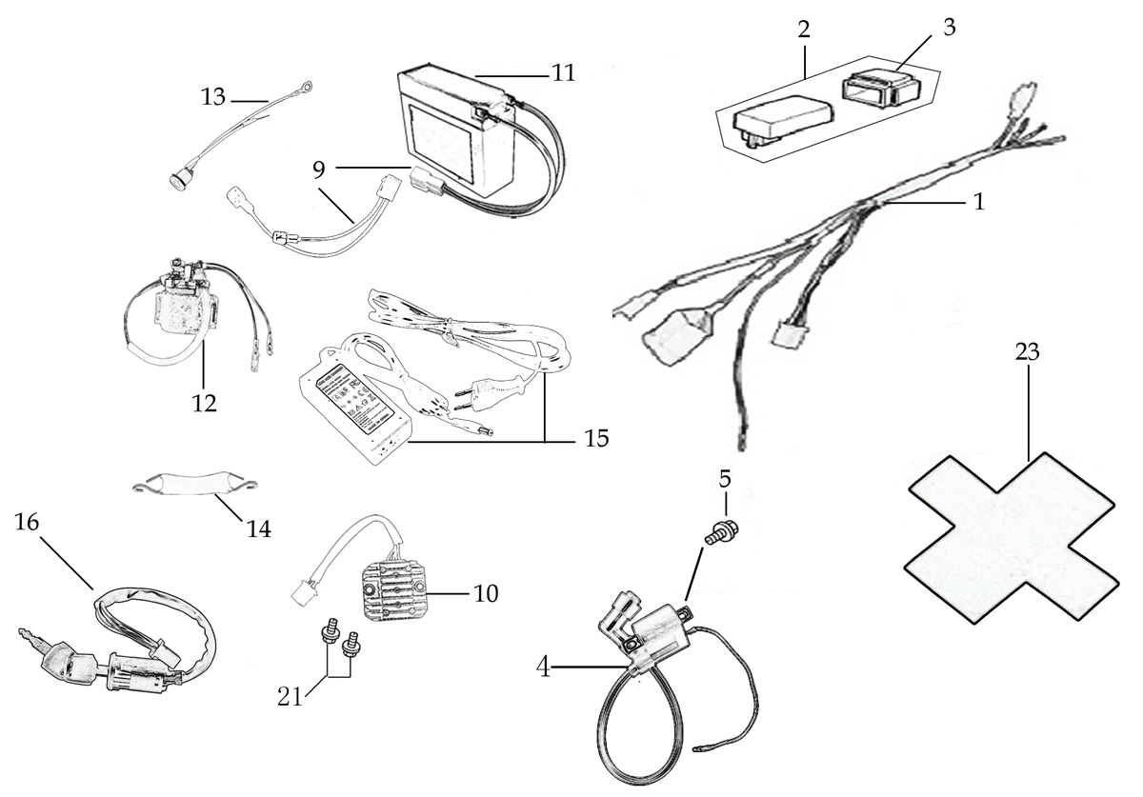
N° | Ref. | Description | Français | Picture | Qty/Bike | Model
1 | YC50-1501-02 | Wire harness 50CC 2020 waterproof L=570mm | Faisceaux éléctrique 50CC 2020 etanche L=570mm |  | 1 | 50A2022
2 | YC110-01-05-BK | Cable tie L=350mm BLACK | collier maintien cable 350mm NOIR |  | 1 | ALL BIKES 1222
3 | YC50-1547-01 | Fuse 50A d.6mmx30mm F15AL250V | Fusible YCF50A d.6mmx30mm F15AL250V |  | 1 | 50A1422
4 | YC50-1503 | CDI Ignitor assy.50A | CDI 50A |  | 1 | 50A1222
5 | YC50-1504 | Ignitor coil L=130mm | bobine haute tension L=130mm |  | 1 | 50A1222
6 | BT08-M6x16-W | Exterior Hex.Bolt M6x16mm for ignitor coil fixation | vis M6x16mm pour fixation bobine haute |  | 2 | ALL BIKES 22
7 | YC110-1517-03 | Battery cable L=200mm RED 2020 | Cable pour Chargeur Batterie L=200mm ROUGE 2020 |  | 1 | 50A22/S88SE22/S125SE22
8 | YC110-1516-05 | Battery cable L=230mm BLACK 2020 | Cable pour Chargeur Batterie L=230mm NOIR 2020 |  | 1 | 50A22/S88SE22/S125SE22/BFZ22022
9 | YC50-1502 | rectifier for 50CC | Rectificateur |  | 1 | 50A1222
10 | BT08-M6x10-W | Bolt M6x10mm for rectifier | Vis M6x10mm pour rectificateur |  | 2 | 50A1222
11 | YC110-1507-05 | BS Battery BTx4L+ SLA 4.2Ah/12V/65A | BS Battery BTX4L+ SLA 4.2Ah/12V/65A |  | 1 | 50A22/F88se1522/F125se1522
12 | YC50-1510 | relay 50CC | Relais demarreur 50CC |  | 1 | 50A1222/S88SE1522/S125SE1522/BFZ2201822
13 | YC50-1513 | Charger connexion 50CC | Connection chargeur 50CC |  | 1 | 50A1322
14 | YC110-1508-03 | Battery holder L=133mm | Sangle batteri L=133mme |  | 1 | 50A1722/S88SE1622/S125SE1622/BFZ2201822
15 | YC110-0022-02 | Key contactor Waterproof | Contacteur a cle etanche |  | 1 | 50A1822/50E1822/W88E1822/S88SE1822/S125SE1822/BFZ2201822
16 | YC110-1531-04 | Key contactor bracket YCF50A/YCF50E Black | Support contacteur a cle YCF50A/YCF50E Noir |  | 1 | 50A1921/50E1921
17 | YC110-1561 | Battriy cover with sticker | Couvre batterie avec sticker |  | 1 | 50A22/S88SE22/S125SE22/BFZ22022

Frame
 |  | 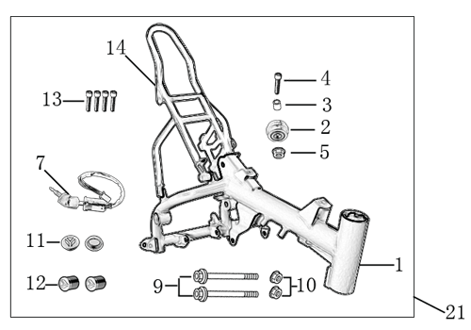
N° | Ref. | Description | Français | Picture | Qty/Bike | Model
1 | YC50-1622-05-WH | Complète frame YCF50A 2022 WHITE (with YC50-1211 2EA) for KRDIRECTION46, STEERING STEM 25° ANGLE | Cadre complet YCF50A 2022 BLANC pour KRDIRECTION46, ANGLE POTENCE 25° |  | 1 | 50A22
2 | YC50-172-03-WH | YCF50 Frame WHITE +2°d.46mm for KRDIRECTION46 | Cadre YCF50 BLANC + 2°d.46mm pour KRDIRECTION46 |  | 1 | 50A22
3 | YC110-01-08-BK | Cable tie ADJUSTABLE BLACK | Collier maintien cable AJUSTABLE NOIR |  | 1 | ALL BIKES 22
4 | YC50-2201 | YCF Chain tensioner component （Middle 5.5mm)BLACK | roulette chaine YCF d.35mmxd.30mmx20mm(Milieu 5.5mm) Noir. |  | 1 | 50A22
5 | FB13-10x14x10-W | bushing d.10mmxd.14mmx10mm chain tensioner | entretoise d.10mmxd.14mmx10mm roulette de chaine |  | 1 | 50A1222/50E1622
6 | GB70-M10x50x1.5W | Hex. Bolt M10x50mm for chain tensioner | Vis M10x50mm pour roulette de chaine |  | 1 | 50A1222/50E1622
7 | GB6187-M10-1.5-W | Self-locking Nut M10 for chain tensioner | écrou M10 pour roulette de chaine |  | 1 | 50A1222/50E1622
8 | YC50-16-04-BK | YCF50 Subframe part chromoly 2020 BLACK FOR 125cc 12V/3A Battery and new fixation | Boucle arriere YCF50 chromoly 2020 NOIRE pour Batterie 125cc 12V/3A et nouvelles fixations |  | 1 | 50A22
9 | YC110-1633-02 | Rubber plug for Subframe part 2020 YCF | Caoutchouc embout arriere boucle arriere YCF 2020 |  | 1 | 50A22/50E22/W88E22/S88SE22/L8822/L12522/S125SE22/S12522/SM12522
...

